Sheet1
1st Set
FH2A114N01
 |  |  | * Wrong file name - Instead of FH2A114NC, make it FH2A114N01
 |  |  | * Put Material
 |  |  | * Add part name and title (base on the reference)
 |  |  | * The origin too far
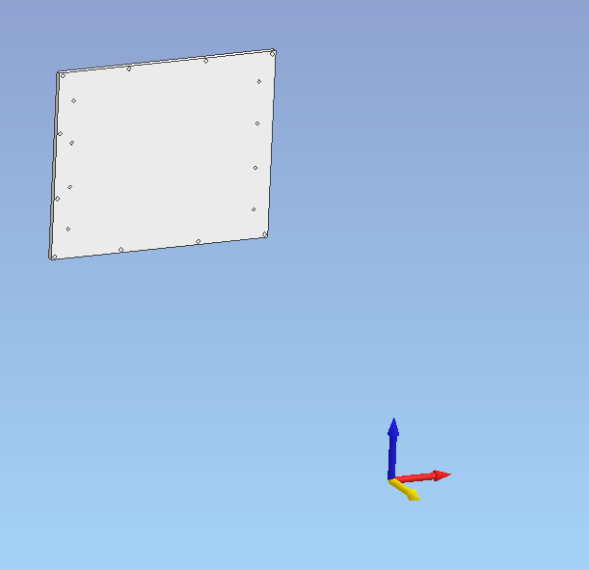

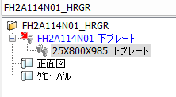

 |  |  | * Check Treeview

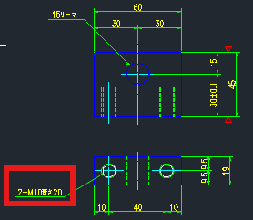
FH26109N01
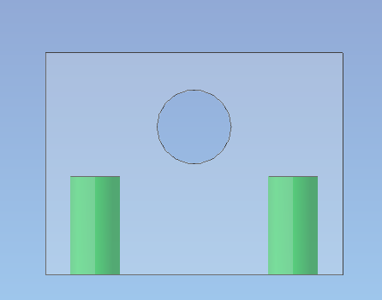

 | * Check tapping M10×20
 | and 15 hole

FH26110N01

 |  |  |  | <<- Front View

 | *Check Layer

FH26130N01
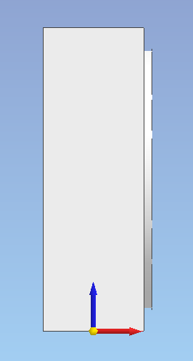
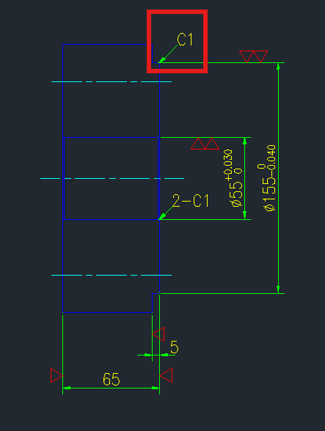

 |  |  |  | *Missing Chamfer

 | *Check Origin

FH26132N01
*Check Material
*Check Partname especially the thickness

M751108A01
*Check Layer

M751126N01
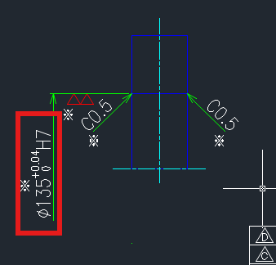
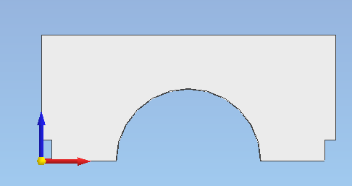
 |  |  |  | *Check Origin | *Check Diameter

M751211N01

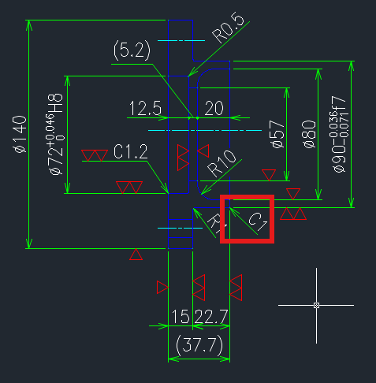

*Check Part name
*Add title

M751411A01
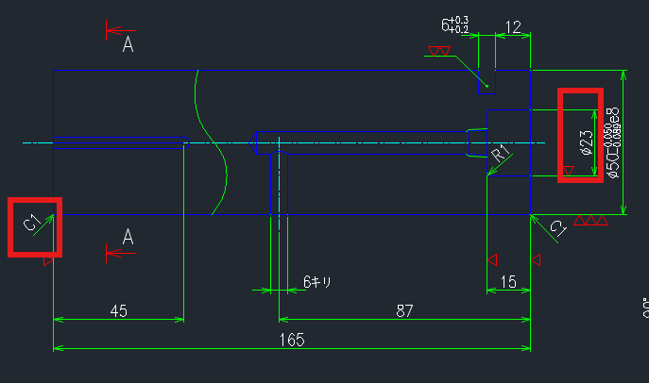

M751418A01
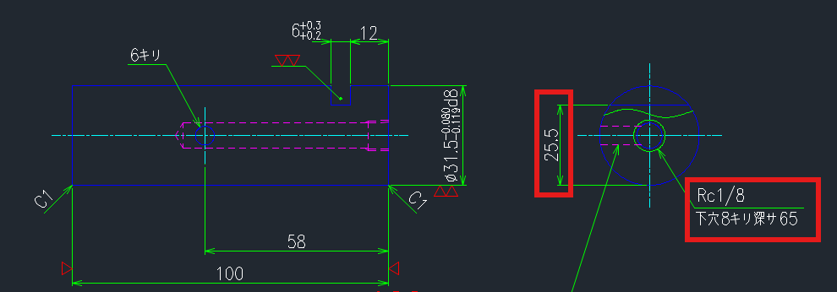

2nd Set

CMB1163N01
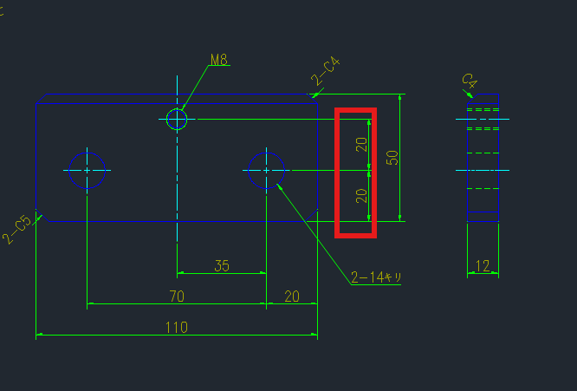

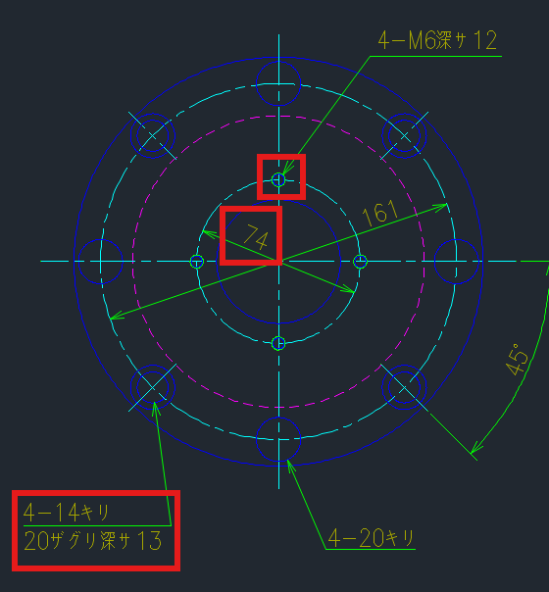
CMB3301N01 |  |  |  |  |  | CMB3388N01
*Check Color |  |  |  |  |  | *Check Layer
*Check the location of M6×12 also the PCD 74
*Check Conterbore 14キリ20ザグリ深サ13

CMB4297N01

*CMB4282N01 ???? (kindly check the reference drawing)

3rd Set

MI51100A01

 |  | *Remove space between last jpn character and letter A.

*Check the red boxes, and compare it to the reference
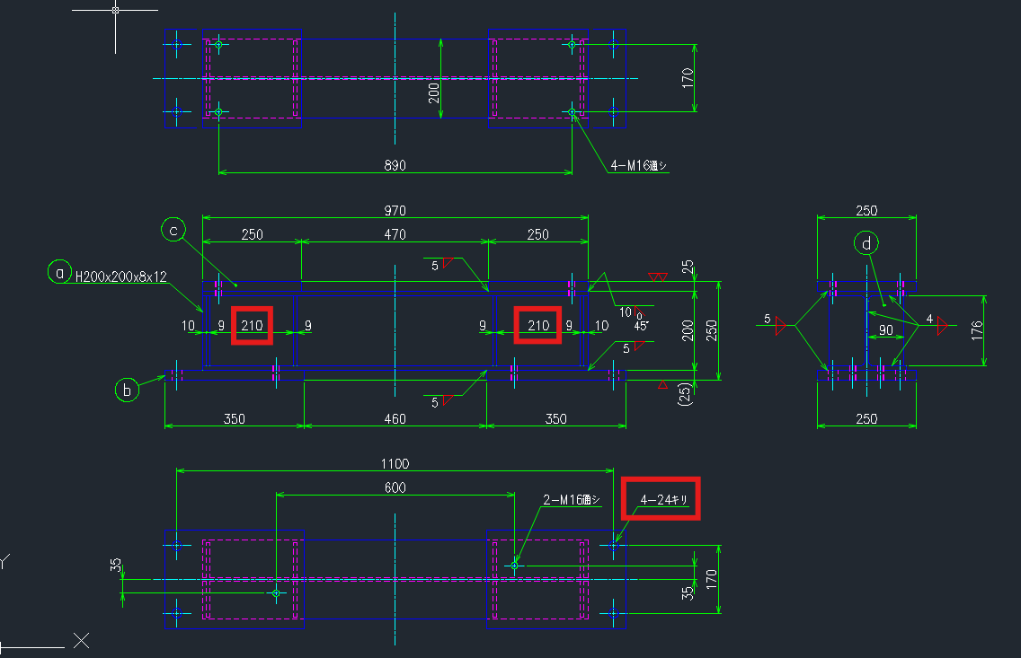

MI51103A01

*Check the red boxes, and compare it to the reference
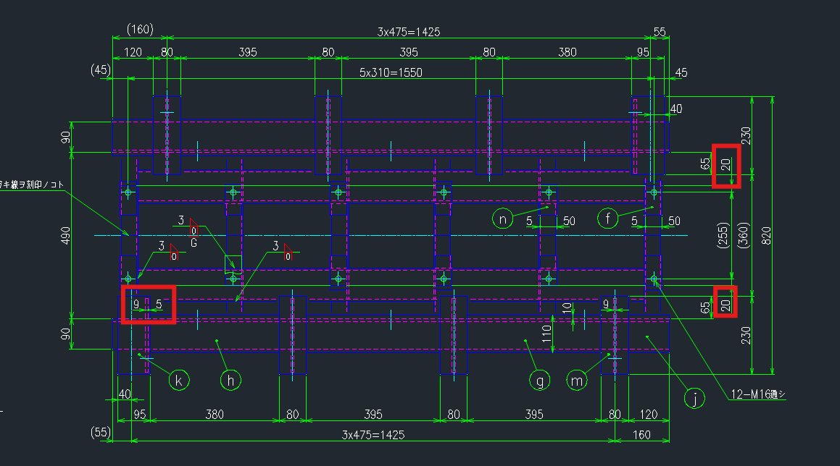

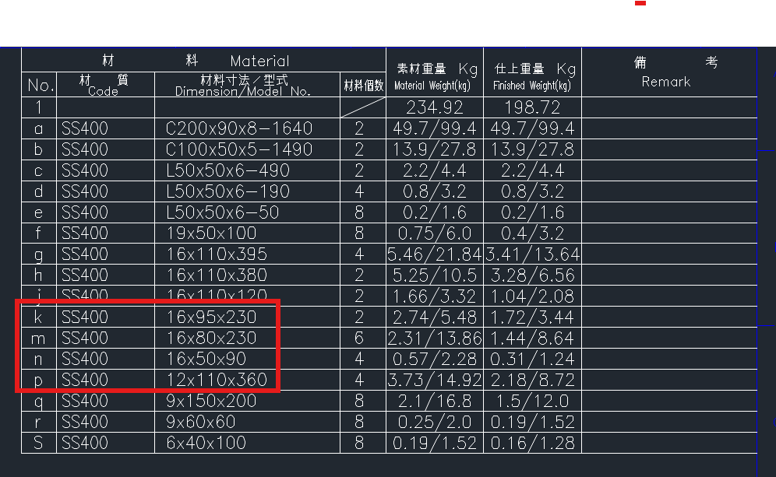

 |  | Top View

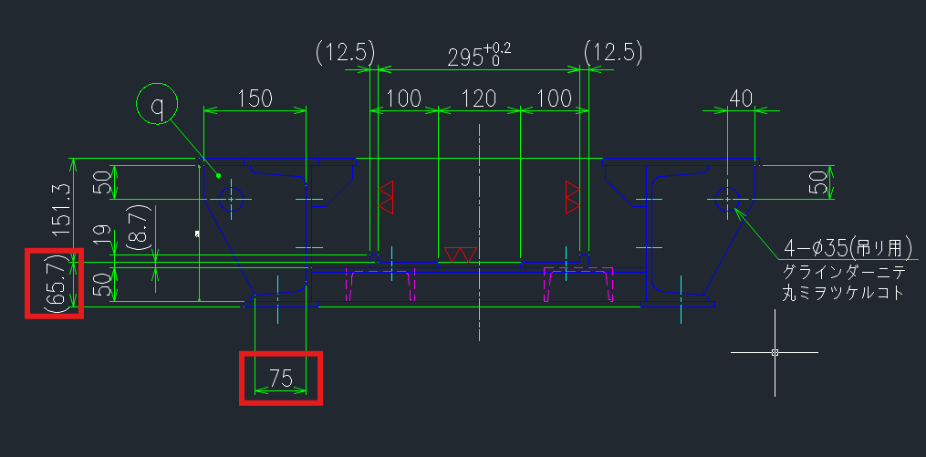

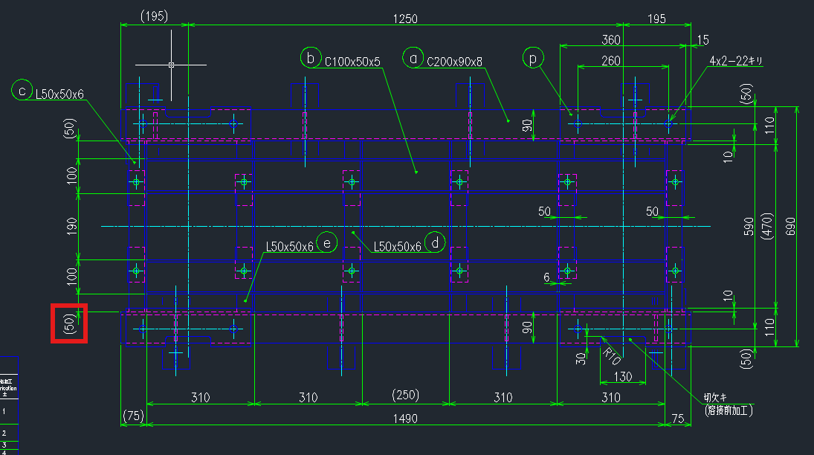
 |  | Front View |  |  |  | Right Side
 |  |  |  |  |  |  | 0.1 Gap, Check 3D
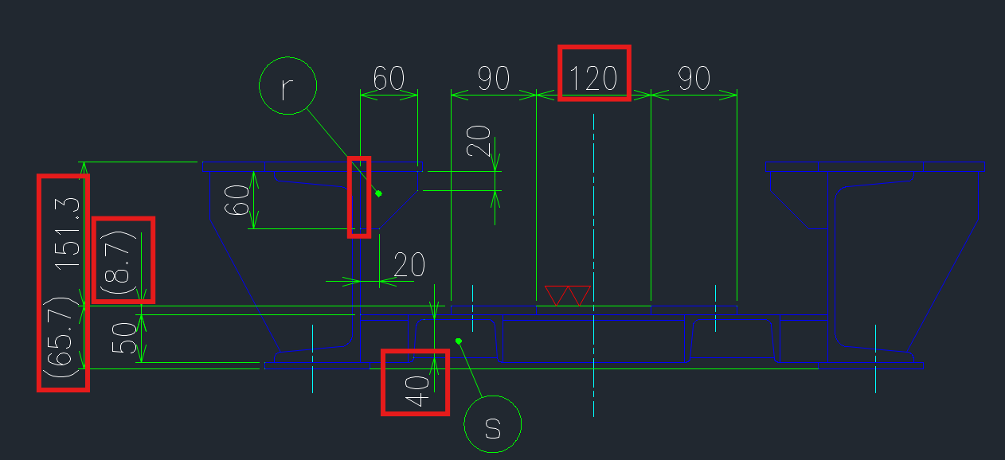

 |  |  |  |  |  | Section View
 |  |  |  |  |  |  |  | k - 16×95×230 | (On bom)
 |  |  |  |  |  |  |  | *Check t16 and length 230 on 3D
 |  |  |  |  |  |  |  | * Same with balloon m

 |  |  |  |  |  |  |  | n- 16×50×90 | (On bom)
 |  | Bottom View |  |  |  |  |  | *Check thickness on 3D then check the partname on treeview

 |  |  |  |  |  |  |  | p- 12×110×360 | (On bom)
 |  |  |  |  |  |  |  | *Check thickness on 3D (t7 on DWG)

